Index

Bharti Airtel Ltd.

 | 📥 INPUTS

 | Assumptions
 | P&L Input
 | BS Input
 | CF Input
 | Market Data
 | Equity Beta
 | Comps Data

 | 📊Calculation & Analysis

 | Common Sizing
 | Revenue Build-up
 | Working Capital
 | Income Statement
 | Balance Sheet
 | Cash Flows
 | Standard Income Statement
 | Ratio Analysis
 | DCF Valuation
 | COMPS
 | Charts
 | FAS

Assumptions
Bharti Airtel Ltd.

 | Company Description | Bharti Airtel Ltd.
 | ISIN Code | INE397D01024
 | Sector Name | Telecommunication
 | Industry | Telecom Services
 | Exchange Name | BSE:532454 NSE:BHARTIARTL
 | Website | https://www.airtel.in
 | Company Description | Bharti Airtel Limited is one of India's leading telecommunications companies and a global provider of communication and digital services. Founded in 1995 and headquartered in Gurugram, Haryana, the company operates across India and 14 countries in Africa. Airtel offers a diversified portfolio including mobile services, broadband, digital TV, enterprise solutions, data centers, cloud services, and fintech through Airtel Payments Bank. The company serves over 590 million customers globally and has established a strong market position through continuous investments in network infrastructure, spectrum assets, and digital technologies. Airtel's business model is supported by multiple revenue streams across consumer, enterprise, home broadband, and infrastructure services. For FY2025–26, Bharti Airtel reported consolidated revenue of ₹2,109.7 billion and net profit of ₹338.2 billion, reflecting strong operational performance driven by customer additions, higher data consumption, premiumization, and expansion of digital services. |  |  | 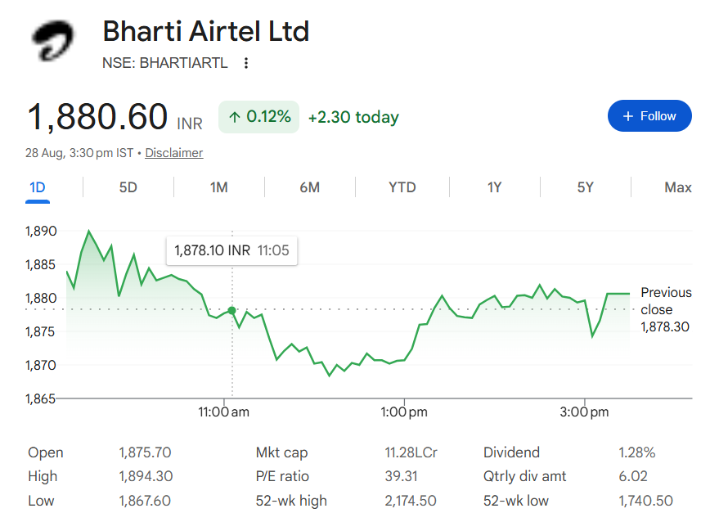
 | Current Market Price | 1881

 | Scenario |  | Case
 | Base case |  | 2

 | Company data
 | Particulars |  | Amount
 | No of Outstanding shares | Nos | 6,094,393,000
 | Face Value per share | Rs. | 5
 | Current Market Price | Rs. | 1,881
 | Market Capitalisation | INR in Crs | 1,146,111.55

 | Assumptions
 | Perpetual Growth rate | % | 4.00%
 | 10 year Bond yield rate | % | 6.71%
 | Interest rate | % | 7.49%
 | Bull Case Tapering Rate (p.a.) | % | 1.00%
 |  |  |  |  |  | (INR in millions)
 | Company Revenue by Geography
 | Year | India |  | Africa | South Asia |  | Others
 | 2022 | 777,402 |  | 345,611 | 3,716 |  | 38,740
 | 2023 | 928,568 |  | 416,024 | 2,669 |  | 44,187
 | 2024 | 1,041,523 |  | 404,995 | 3,469 |  | 49,837
 | 2025 | 1,264,125 |  | 413,798 | 878 |  | 51,051
 | 2026 | 1,550,658 |  | 520,330 | 8,719 |  | 30,021

 | Headings | Reference | Assumptions
 | Revenue Buildup | H29:Q29 | Revenue forecasts are based on historical trends and segment-specific growth assumptions. Other Operating Revenue is projected using the historical average as the base. Exceptional Items are forecast using historical average progression. Digital TV Services are projected using historical growth with gradual tapering, while Others are forecast using the historical CAGR as the base with gradual annual tapering. Passive Infrastructure is projected using a conservative base-case growth rate with gradual tapering over the forecast period. Bull Case revenue growth is projected using the Base Case growth plus an initial premium, which is then gradually tapered down each forecast year using the Bull Case Tapering Rate (p.a.) assumption above (row 33), floored at the Base Case growth rate.
 |  | H18:Q18 G12:Q12 | Other Income and Exceptional Items for the forecast period 2027–2036 are projected based on historical trends. Other Income uses the five-year historical average, while Exceptional Items use a rolling historical average based on the available five-year historical period.
 | Cost Buildup | H22:Q22 H28:Q28 | Employee Benefit Expenses and Other Expenses for the forecast period 2027–2036 are projected as a constant percentage of total revenue, based on the 5-year audited average.
 |  | H31:Q31 | Finance Costs are estimated using a fixed borrowing rate, derived from the five-year average of interest expenses relative to total debt, and applied consistently throughout the projected period.
 |  | H34:Q34 | The effective tax rate starts at the FY2026 level with a 0.5 percentage-point increase every two years throughout the forecast period.
 | FAS | H173:Q173 | FY2026 audited figures have been used as the base for forecasting additions, disposals and depreciation of Property, Plant & Equipment (PPE), Intangible Assets and ROU Assets. A conservative growth rate of 4% has been assumed for the first projected year and every 3 years thereafter.
 |  | H173:Q173 | Capital WIP is forecast using the average historical annual increase, maintained consistently throughout the forecast period.
 | BS Items | H12:Q12 H61:Q61 | Balance sheet items are projected as % on Revenue using the latest previous year's % as base otherwise as mentioned and Borrowings are projected as a percentage of revenue based on the historical borrowing-to-revenue relationship.
 | Working Capital | H11:Q11 H12:Q12 | Trade Receivables and Trade Payables are projected as a fixed percentage of revenue, based on the average proportions observed over the last five audited years.
 | Income Statement | H48:Q48 | Total dividend payments have been projected by assuming a constant dividend payout ratio of 21%, based on the latest historical payout trend. The payout ratio has been maintained throughout the forecast period (FY2027–FY2036).
 | Cash Flow Statement |  | Non-recurring cash flow items such as proceeds from sale of PP&E, purchase of intangible assets, spectrum-related payments and other similar items are assumed to be nil during the forecast period where no specific future transaction or commitment has been identified.
 | Balance Sheet | H35:Q35 | Cash and Cash Equivalents are linked to the closing cash balance derived from the Cash Flow Statement for the forecast period.
 | Cash Flow Statement | C80:G80 | Historical Cash & Cash Equivalents in the Cash Flow Statement are based on the audited Statement of Cash Flows and may differ from Balance Sheet cash balances due to differences in reporting definitions, including balances held under mobile money trust and bank overdrafts. Historical CFS closing cash balances are retained as reported in the audited financial statements.
 | Working Capital | H11:Q11 | All sales are assumed to be made on credit (i.e. reflected fully through Trade Receivables); no separate cash-sales assumption has been modelled. This is why Trade Receivables are projected as a direct % of total revenue rather than being split between cash and credit sales.
 | Balance Sheet | H43:Q43 | No fresh equity issuances (and no share buybacks) have been assumed over the forecast period FY2027-FY2036. Share Capital is therefore held flat at the FY2026 level throughout the projection; growth in shareholders funds comes only from retained earnings (Other Equity).

Summary
Bharti Airtel Ltd.

Valuation Summary - Football Field

Valuation Summary - Football Field
 |  |  |  |  |  | Market
 |  |  | Comps | DCF | 52-week hi/lo | Consensus
 | High |  | 1,695 | 4,454 | 1992 | 2,355
 | High |  | 1,695 | 4,454 | 1,992 | 2,355
 | Low |  | 0.810 | 2,364 | 1,775 | 2,180
 | Low |  | 0.810 | 2,364 | 1,775 | 2,180
 | Range (High - Low) |  | 1,694 | 2,090 | 216.9 | 175
Valuation Summary

Broker Analysis |  | Date | LTP | Target Price
ICICI Direct Research |  | 5/17/2026 | 1,950 | 2,350
Axis Securities |  | 46157 | 1,834 | 2,200
Geojit BNP Paribas |  | 6/23/2026 | 1,912 | 2,180
Motilal Oswal |  | 2/7/2026 | 1,912 | 2,355

Charts
Bharti Airtel Ltd - Key Charts

EBITDA vs Net Profit
 | EBITDA | Net Profit
2022 | 580682.0 | 83052.0
2023 | 722101.0 | 122874.0
2024 | 797272.0 | 85580.0
2025 | 947329.0 | 374813.0
2026 | 1224918.0 | 338228.0
2027 | 1343901.3 | 530955.8
2028 | 1515556.4 | 622249.1
2029 | 1695068.8 | 718924.1
2030 | 1881231.2 | 837321.3
2031 | 2073618.6 | 919212.8
2032 | 2273517.2 | 1038017.8
2033 | 2485435.6 | 1139385.6
2034 | 2719542.9 | 1272428.2
2035 | 2995576.1 | 1420147.7
2036 | 3349075.6 | 1602844.6
Revenue & YoY Growth
 | Total Income
2022 | 1170812.0
2023 | 1400814.0
2024 | 1514178.0
2025 | 1745589.0
2026 | 2137901.0
2027 | 2532182.7
2028 | 2855615.8
2029 | 3193853.5
2030 | 3544621.2
2031 | 3907118.2
2032 | 4283767.6
2033 | 4683064.9
2034 | 5124170.5
2035 | 5644273.0
2036 | 6310337.8

ROE vs ROIC
 | ROE | ROIC
2022 |  | 6.7%
2023 | 12.4% | 8.3%
2024 | 8.1% | 8.9%
2025 | 28.9% | 13.7%
2026 | 19.4% | 14.5%
2027 | 24.3% | 18.7%
2028 | 23.4% | 21.1%
2029 | 22.3% | 23.3%
2030 | 21.7% | 25.4%
2031 | 20.1% | 27.5%
2032 | 19.4% | 29.7%
2033 | 18.4% | 31.5%
2034 | 17.9% | 34.0%
2035 | 17.6% | 36.7%
2036 | 17.5% | 40.3%

